Instructions
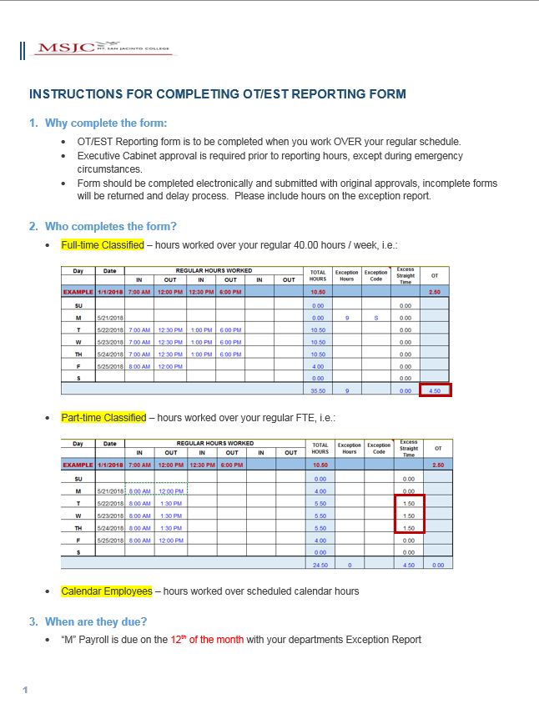
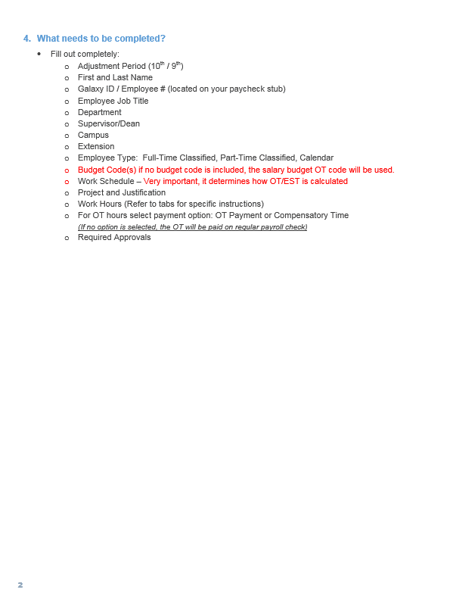

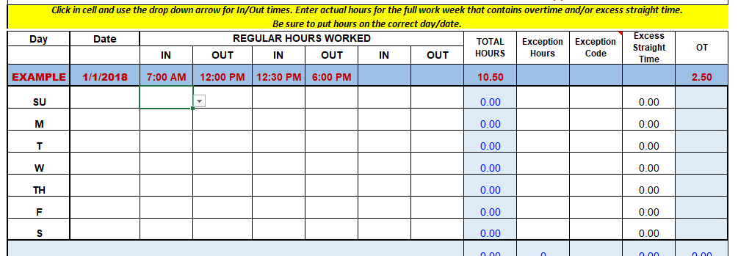

Click on cell and use the drop down arrow to reveal time(s).
Do Not Copy and Paste time in/out.

EX. Overtime
 |  |  |  |  |  | Adjustment Period:

OT/EST Exception Reporting - For Hours Worked OVER Regular Schedule

First Name: |  |  | Last Name: |  |  |  |  |  | Galaxy ID:

Select from drop-down Menu:
Full-Time Classified
Part-Time Classified
Calendar
Employee Job Title: |  |  |  |  |  |  |  | Department:

Supervisor/Dean: |  |  |  |  | Campus: |  |  |  | Extension:

Enter your regular work schedule (not to include additional hours worked); Important - it will determine how OT/EST is calculated
Employee Type:
Budget Code: |  |  |  | Daily Schedule # of Hours: |  | SU | M | T | W | TH | F | S
 |  |  |  |  |  |  | 9 | 9 | 9 | 9 | 4

Enter Overtime Budget Code; budget code must end in 2340:
Budget Code defaults to salary overtime budget code. Use Budget Change form to add/delet/change
Project and Justification Information:

Describe work to be performed:

For all OT hours worked, enter your full work week for which the overtime occurred. Total OT hours will be reflected as a sum of all OT hours for the work week.
Please elect a payment option:
Pay as Overtime
or
Compensatory Time
Reminder:
Enter Budget Code
Verify Total Excess Straight Time

Enter actual hours for the full work week that contains overtime and/or excess straight time. Be sure to put hours on the correct day/date.

Day | Date | REGULAR HOURS WORKED |  |  |  |  |  | TOTAL HOURS | Exception Hours | Exception Code | Excess Straight Time | OT
 |  | IN | OUT | IN | OUT | IN | OUT
EXAMPLE | 2018-01-01 | 7:00:00 | 12:00:00 | 12:30:00 | 18:00:00 |  |  | 10.50 |  |  |  | 2.50
SU |  |  |  |  |  |  |  | 0.00 |  |  | 0.00
M | 2018-05-21 |  |  |  |  |  |  | 0.00 | 9 | S | 0.00
T | 2018-05-22 | 7:00:00 | 12:30:00 | 13:00:00 | 18:00:00 |  |  | 10.50 |  |  | 0.00
W | 2018-05-23 | 7:00:00 | 12:30:00 | 13:00:00 | 18:00:00 |  |  | 10.50 |  |  | 0.00
TH | 2018-05-24 | 7:00:00 | 12:30:00 | 13:00:00 | 18:00:00 |  |  | 10.50 |  |  | 0.00
Do Not Type in the Exception Hours/Code Column #N/A. Leave Blank if there is nothing to report! It is Already Understood as N/A
F | 2018-05-25 | 8:00:00 | 12:00:00 |  |  |  |  | 4.00 |  |  | 0.00
S |  |  |  |  |  |  |  | 0.00 |  |  | 0.00
 |  |  |  |  |  |  |  | 35.50 | 9 |  | 0.00 | 4.50

Employee Signature |  | Date |  | Supervisor/Dean Approval |  |  | Date |  | VP Approval |  |  | Date

Select an Option: |  |  |  |  |  |  | For Payroll Use Only
(If no box is checked, OT will be paid on your regular
Payroll Check)

 | Pay as Overtime

 | Compensatory Time

 | 7:00:00
 | 7:15:00
 | 7:30:00
 | 7:45:00
 | 8:00:00
 | 8:15:00
 | 8:30:00
 | 8:45:00
 | 9:00:00
 | 9:15:00
 | 9:30:00
 | 9:45:00
 | 10:00:00
 | 10:15:00
 | 10:30:00
 | 10:45:00
 | 11:00:00
 | 11:15:00
 | 11:30:00
 | 11:45:00
 | 12:00:00
 | 12:15:00
 | 12:30:00
 | 12:45:00
 | 13:00:00
 | 13:15:00
 | 13:30:00
 | 13:45:00
 | 14:00:00
 | 14:15:00
 | 14:30:00
 | 14:45:00
 | 15:00:00
 | 15:15:00
 | 15:30:00
 | 15:45:00
 | 16:00:00
 | 16:15:00
 | 16:30:00
 | 16:45:00
 | 17:00:00
 | 17:15:00
 | 17:30:00
 | 17:45:00
 | 18:00:00
 | 18:15:00
 | 18:30:00
 | 18:45:00
 | 19:00:00
 | 19:15:00
 | 19:30:00
 | 19:45:00
 | 20:00:00
 | 20:15:00
 | 20:30:00
 | 20:45:00
 | 21:00:00
 | 21:15:00
 | 21:30:00
 | 21:45:00
 | 22:00:00
 | 22:15:00
 | 22:30:00
 | 22:45:00
 | 23:00:00
 | 23:15:00
 | 23:30:00
 | 23:45:00
 | 24:00:00
 | 1900-01-01 00:15:00
 | 1900-01-01 00:30:00
 | 1900-01-01 00:45:00
 | 1900-01-01 01:00:00
 | 1900-01-01 01:15:00
 | 1900-01-01 01:30:00
 | 1900-01-01 01:45:00
 | 1900-01-01 02:00:00
 | 1900-01-01 02:15:00
 | 1900-01-01 02:30:00
 | 1900-01-01 02:45:00
 | 1900-01-01 03:00:00
 | 1900-01-01 03:15:00
 | 1900-01-01 03:30:00
 | 1900-01-01 03:45:00
 | 1900-01-01 04:00:00
 | 1900-01-01 04:15:00
 | 1900-01-01 04:30:00
 | 1900-01-01 04:45:00
 | 1900-01-01 05:00:00
 | 1900-01-01 05:15:00
 | 1900-01-01 05:30:00
 | 1900-01-01 05:45:00
 | 1900-01-01 06:00:00
 | 1900-01-01 06:15:00
 | 1900-01-01 06:30:00
 | 1900-01-01 06:45:00

EX. Excess Straight Time
 |  |  |  |  |  | Adjustment Period:

OT/EST Exception Reporting - For Hours Worked OVER Regular Schedule

First Name: |  |  | Last Name: |  |  |  |  |  | Galaxy ID:

Select from drop-down Menu:
Full-Time Classified
Part-Time Classified
Calendar
Employee Job Title: |  |  |  |  |  |  |  | Department:

Supervisor/Dean: |  |  |  |  | Campus: |  |  |  | Extension:

Enter your regular work schedule (not to include additional hours worked or a change for the week); Important - it will determine how OT/EST is calculated
Employee Type:
Budget Code: |  |  |  | Daily Schedule # of Hours: |  | SU | M | T | W | TH | F | S
 |  |  |  |  |  |  | 4 | 4 | 4 | 4 | 4

Enter Budget Code: Budget Code defaults to salary budget code. Use Budget Change form to add/delet/change
Project and Justification Information:

Describe work to be performed:

For Part-Time Permanent Employee - Enter full work week for which the excess straight time occurred. These hours must reflect all hours worked for each day (ie. if you are scheduled to work 4.00 hours and worked 5.50 hours, your total hours worked column should reflect 5.50 hours, 1.50 hrs of which will popluate in the the Excess Straight Time column total.
Reminder:
Enter Budget Code
Verify Total Excess Straight Time

Enter actual hours for the full work week that contains overtime and/or excess straight time. Be sure to put hours on the correct day/date.

Day | Date | REGULAR HOURS WORKED |  |  |  |  |  | TOTAL HOURS | Exception Hours | Exception Code | Excess Straight Time | OT
 |  | IN | OUT | IN | OUT | IN | OUT
EXAMPLE | 2018-01-01 | 7:00:00 | 12:00:00 | 12:30:00 | 18:00:00 |  |  | 10.50 |  |  |  | 2.50
SU |  |  |  |  |  |  |  | 0.00 |  |  | 0.00
M | 2018-05-21 | 8:00:00 | 12:00:00 |  |  |  |  | 4.00 |  |  | 0.00
T | 2018-05-22 | 8:00:00 | 13:30:00 |  |  |  |  | 5.50 |  |  | 1.50
Do Not Type in the Exception Hours/Code Column #N/A. Leave Blank! It is Already Understood as N/A
W | 2018-05-23 | 8:00:00 | 13:30:00 |  |  |  |  | 5.50 |  |  | 1.50
TH | 2018-05-24 | 8:00:00 | 13:30:00 |  |  |  |  | 5.50 |  |  | 1.50
F | 2018-05-25 | 8:00:00 | 12:00:00 |  |  |  |  | 4.00 |  |  | 0.00
S |  |  |  |  |  |  |  | 0.00 |  |  | 0.00
 |  |  |  |  |  |  |  | 24.50 | 0 |  | 4.50 | 0.00

Employee Signature |  | Date |  | Supervisor/Dean Approval |  |  | Date |  | VP Approval |  |  | Date

Select an Option: |  |  |  |  |  |  | For Payroll Use Only
(If no box is checked, OT will be paid on your regular
Payroll Check)

 | Pay as Overtime

 | Compensatory Time

 | 7:00:00
 | 7:15:00
 | 7:30:00
 | 7:45:00
 | 8:00:00
 | 8:15:00
 | 8:30:00
 | 8:45:00
 | 9:00:00
 | 9:15:00
 | 9:30:00
 | 9:45:00
 | 10:00:00
 | 10:15:00
 | 10:30:00
 | 10:45:00
 | 11:00:00
 | 11:15:00
 | 11:30:00
 | 11:45:00
 | 12:00:00
 | 12:15:00
 | 12:30:00
 | 12:45:00
 | 13:00:00
 | 13:15:00
 | 13:30:00
 | 13:45:00
 | 14:00:00
 | 14:15:00
 | 14:30:00
 | 14:45:00
 | 15:00:00
 | 15:15:00
 | 15:30:00
 | 15:45:00
 | 16:00:00
 | 16:15:00
 | 16:30:00
 | 16:45:00
 | 17:00:00
 | 17:15:00
 | 17:30:00
 | 17:45:00
 | 18:00:00
 | 18:15:00
 | 18:30:00
 | 18:45:00
 | 19:00:00
 | 19:15:00
 | 19:30:00
 | 19:45:00
 | 20:00:00
 | 20:15:00
 | 20:30:00
 | 20:45:00
 | 21:00:00
 | 21:15:00
 | 21:30:00
 | 21:45:00
 | 22:00:00
 | 22:15:00
 | 22:30:00
 | 22:45:00
 | 23:00:00
 | 23:15:00
 | 23:30:00
 | 23:45:00
 | 24:00:00
 | 1900-01-01 00:15:00
 | 1900-01-01 00:30:00
 | 1900-01-01 00:45:00
 | 1900-01-01 01:00:00
 | 1900-01-01 01:15:00
 | 1900-01-01 01:30:00
 | 1900-01-01 01:45:00
 | 1900-01-01 02:00:00
 | 1900-01-01 02:15:00
 | 1900-01-01 02:30:00
 | 1900-01-01 02:45:00
 | 1900-01-01 03:00:00
 | 1900-01-01 03:15:00
 | 1900-01-01 03:30:00
 | 1900-01-01 03:45:00
 | 1900-01-01 04:00:00
 | 1900-01-01 04:15:00
 | 1900-01-01 04:30:00
 | 1900-01-01 04:45:00
 | 1900-01-01 05:00:00
 | 1900-01-01 05:15:00
 | 1900-01-01 05:30:00
 | 1900-01-01 05:45:00
 | 1900-01-01 06:00:00
 | 1900-01-01 06:15:00
 | 1900-01-01 06:30:00
 | 1900-01-01 06:45:00

CSEA Overtime Policy
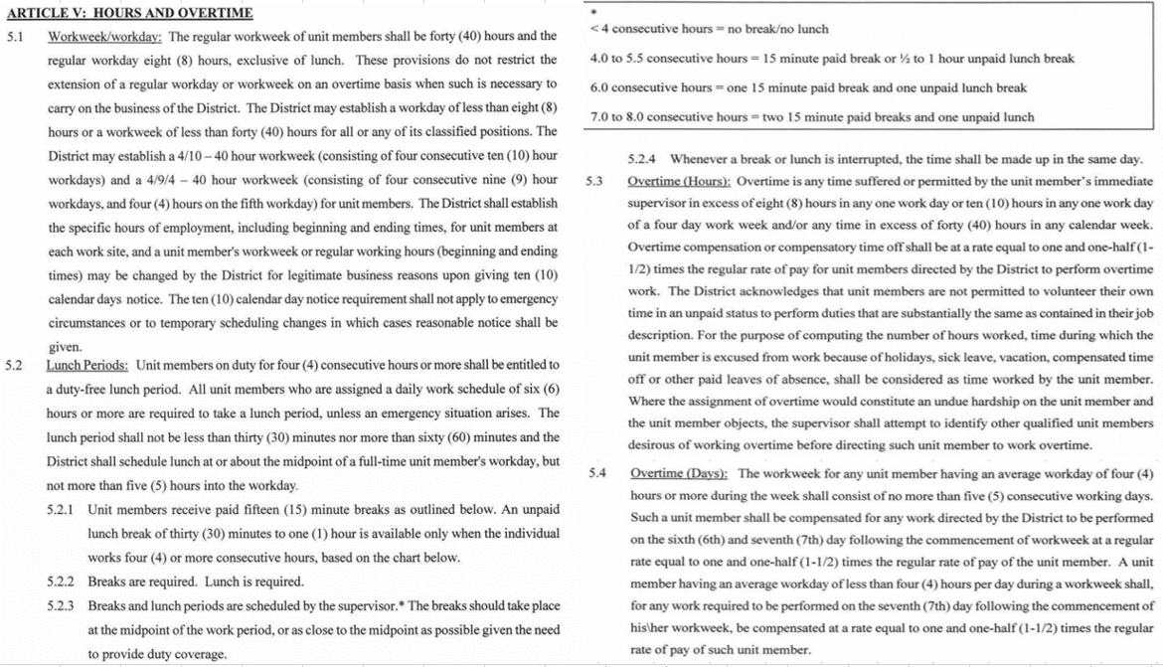
CSEA Contract: | https://www.msjc.edu/HumanResources/Documents/Unit%20Bargaining%20Agreements/CSEA_Contract.pdf

